BasicPoisson BestResults
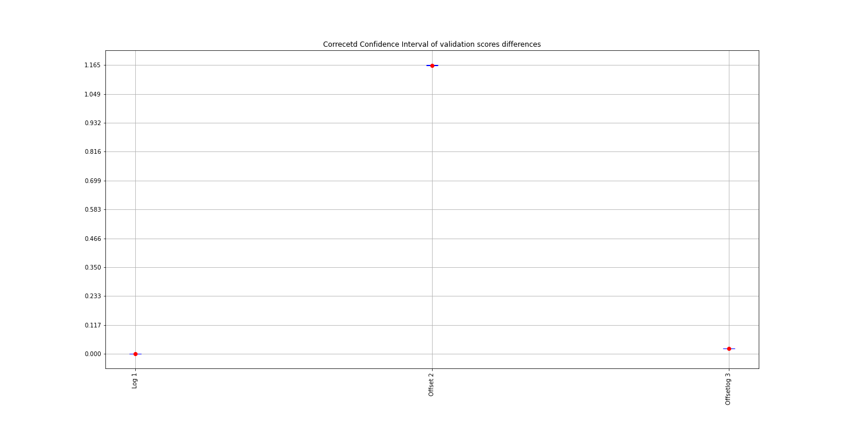
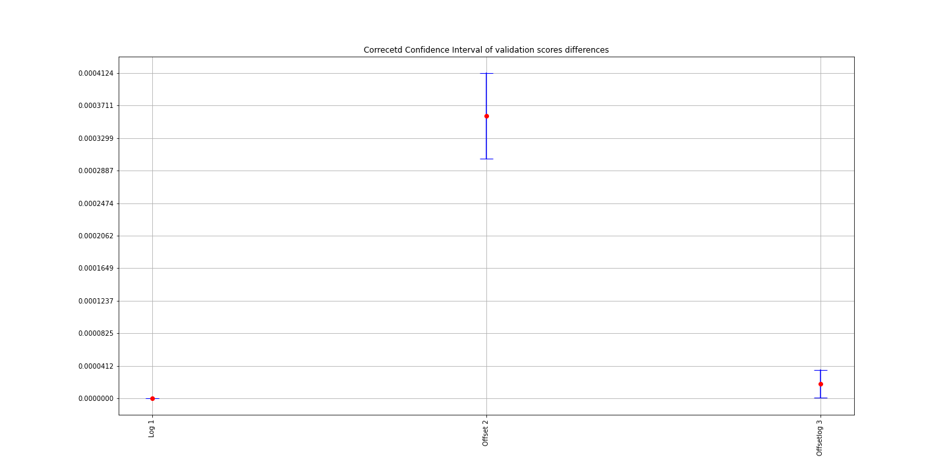
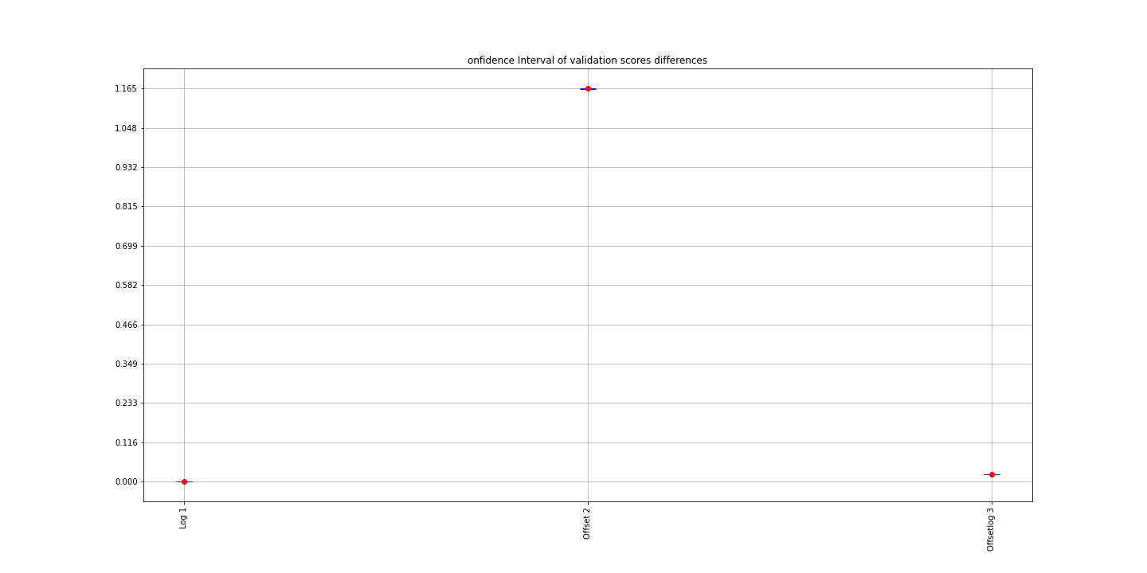
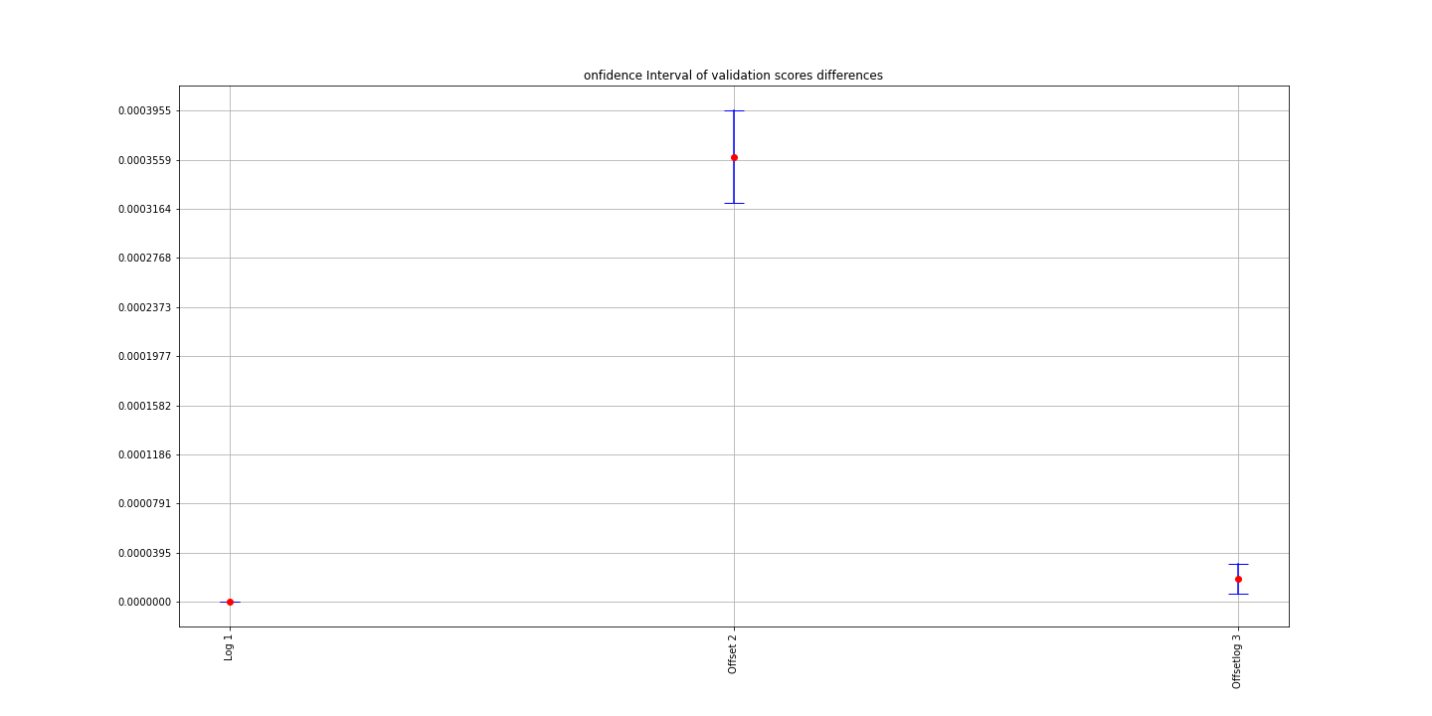
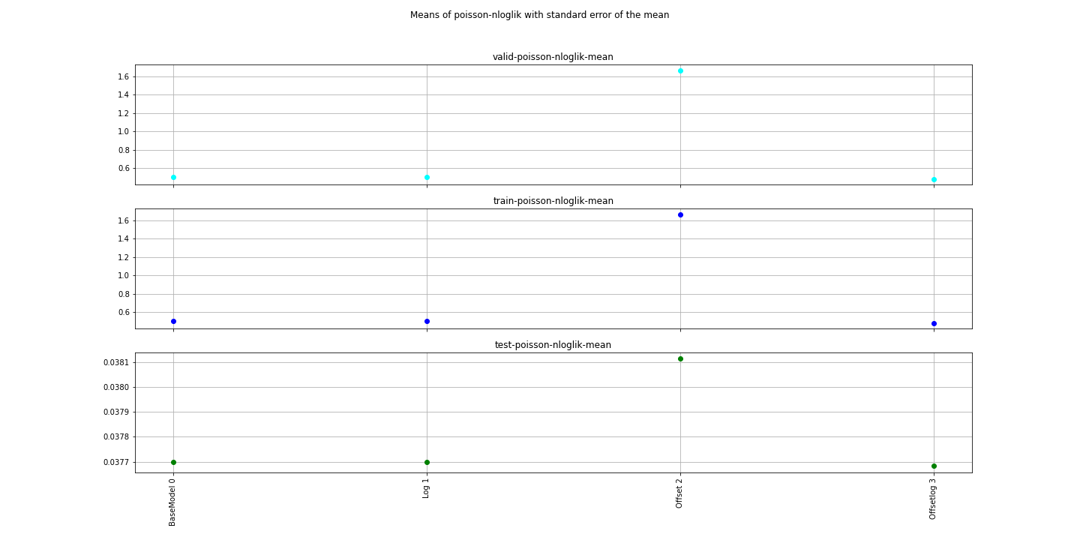
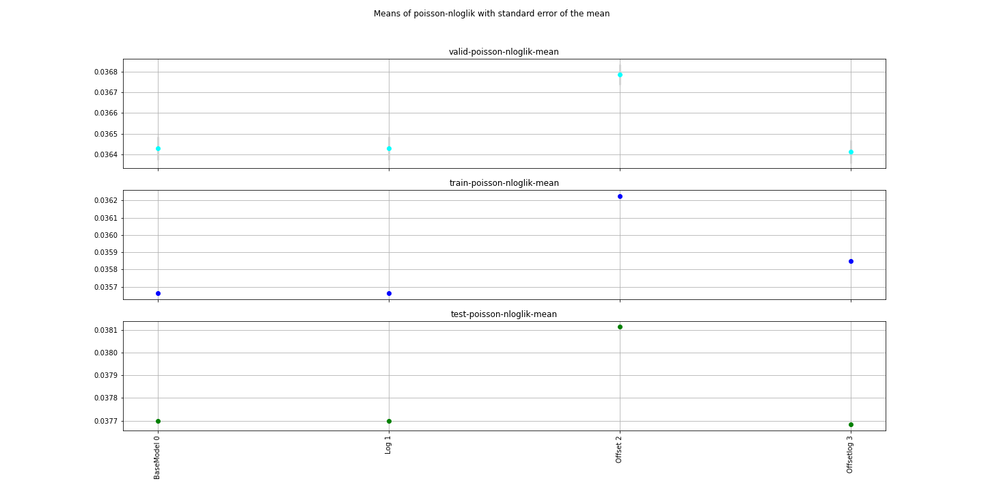
Model | ind | train-poisson-nloglik-mean | train-poisson-nloglik-std | train-poisson-nloglik-sem | valid-poisson-nloglik-mean | valid-poisson-nloglik-std | valid-poisson-nloglik-sem | corrected t-test Comment | t-test Comment | corrected t-statistic | corrected pvalue | objective | eval_metric | booster | colsample_bylevel | colsample_bytree | eta | subsample | max_depth | num_round | reg_lambda | reg_alpha | Training_data | Testing_data | Training_offset | Testing_offset | Offset | F1 | F2 | F3 | F4 | F5 | F6 | F7 | BaseModel Diff mean | BaseModel Corrected CI lower | BaseModel Corrected CI upper | t-statistic | pvalue
BaseModel | 0 | 0.0356623 | 2.1924364934E-05 | 6.9330929446E-06 | 0.0364295 | 0.00017720750548 | 5.6037933581E-05 | The data are normally distributed | The data are normally distributed |  |  | count:poisson | poisson-nloglik | gbtree | 0.8 | 0.8 | 0.01 | 0.8 | 6 | 5000 | 1 | 0 | /home/kate/Research/Property/Data/Experiments/BasicPoisson/training/BaseModel/training_BaseModel.csv | /home/kate/Research/Property/Data/Experiments/BasicPoisson/testing/BaseModel/testing_BaseModel.csv |  |  |  | cal_year-yearbuilt | cova_deductible | sqft | customer_cnt_active_policies | usagetype_encd | water_risk_3_blk | ecy
Log | 1 | 0.0356623 | 2.1924364934E-05 | 6.9330929446E-06 | 0.0364296 | 0.00017725261321 | 5.6052197895E-05 | No difference with BaseModel with 0.05 significance level | No difference with BaseModel with 0.05 alpha | 0.68824720161 | 0.5086464916 | count:poisson | poisson-nloglik | gbtree | 0.8 | 0.8 | 0.01 | 0.8 | 6 | 5000 | 1 | 0 | /home/kate/Research/Property/Data/Experiments/BasicPoisson/training/Log/training_Log.csv | /home/kate/Research/Property/Data/Experiments/BasicPoisson/testing/Log/testing_Log.csv |  |  |  | cal_year-yearbuilt | cova_deductible | sqft | customer_cnt_active_policies | usagetype_encd | water_risk_3_blk | log_ecy | 0.0000001 | -1.2621571627E-07 | 3.2621571627E-07 | -1 | 0.34343639614
Offset | 2 | 0.0362245 | 1.9956898E-05 | 6.3109252711E-06 | 0.0367877 | 0.00016156804552 | 5.1092302095E-05 | There is a difference with BaseModel with 0.05 significance level | There is a difference with BaseModel with 0.05 alpha | 14.957987807 | 1.1559169866E-07 | count:poisson | poisson-nloglik | gbtree | 0.8 | 0.8 | 0.01 | 0.8 | 6 | 5000 | 1 | 0 | /home/kate/Research/Property/Data/Experiments/BasicPoisson/training/Offset/training_Offset.csv | /home/kate/Research/Property/Data/Experiments/BasicPoisson/testing/Offset/testing_Offset.csv | /home/kate/Research/Property/Data/Experiments/BasicPoisson/training/Offset/offset_Offset.csv | /home/kate/Research/Property/Data/Experiments/BasicPoisson/testing/Offset/offset_Offset.csv | ecy | cal_year-yearbuilt | cova_deductible | sqft | customer_cnt_active_policies | usagetype_encd | water_risk_3_blk |  | 0.0003582 | 0.0003209162459 | 0.0003954837541 | -21.733452416 | 4.3568639704E-09
Offsetlog | 3 | 0.0358495 | 2.2711964541E-05 | 7.1821538088E-06 | 0.0364125 | 0.00018014515752 | 5.6966900721E-05 | There is a difference with BaseModel with 0.05 significance level | There is a difference with BaseModel with 0.05 alpha | 2.4103092735 | 0.039229121698 | count:poisson | poisson-nloglik | gbtree | 0.8 | 0.8 | 0.01 | 0.8 | 6 | 5000 | 1 | 0 | /home/kate/Research/Property/Data/Experiments/BasicPoisson/training/Offsetlog/training_Offsetlog.csv | /home/kate/Research/Property/Data/Experiments/BasicPoisson/testing/Offsetlog/testing_Offsetlog.csv | /home/kate/Research/Property/Data/Experiments/BasicPoisson/training/Offsetlog/offset_Offsetlog.csv | /home/kate/Research/Property/Data/Experiments/BasicPoisson/testing/Offsetlog/offset_Offsetlog.csv | log_ecy | cal_year-yearbuilt | cova_deductible | sqft | customer_cnt_active_policies | usagetype_encd | water_risk_3_blk |  | 0.0000184 | 6.5146416714E-06 | 3.0285358329E-05 | 2.9543506765 | 0.016106662573

BasicPoisson TestScores
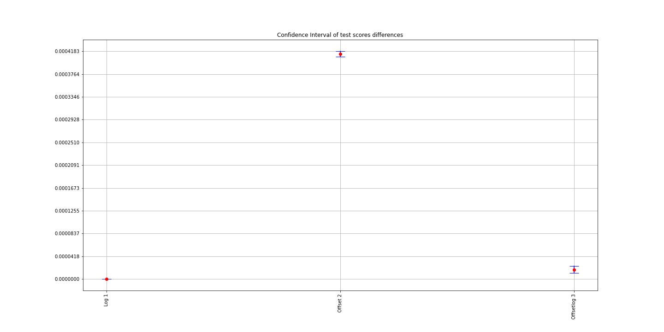
0 | 1 | 2 | 3 | 4 | 5 | 6 | 7 | 8 | 9 | std | sem | mean | Model | ind | Comment | t-statistic | pvalue | BaseModel Diff mean | BaseModel Corrected CI lower | BaseModel Corrected CI upper
0.037704490125 | 0.037691503763 | 0.03769107163 | 0.037697255611 | 0.037687268108 | 0.037695650011 | 0.037699952722 | 0.03772944957 | 0.037710156292 | 0.037694331259 | 1.2306525053E-05 | 3.891664925E-06 | 0.037700112909 | BaseModel | 0 | The data are normally distributed
0.037704490125 | 0.037691503763 | 0.037691075355 | 0.037697259337 | 0.037687264383 | 0.037695650011 | 0.037699952722 | 0.03772944957 | 0.037710156292 | 0.037693817168 | 1.2334436622E-05 | 3.9004913381E-06 | 0.037700061873 | Log | 1 | No difference with BaseModel with 0.05 significance level | 0.99187149544 | 0.34717652386 | 5.2526593207E-08 | -6.3494553217E-08 | 1.6854773963E-07
0.038113180548 | 0.038105331361 | 0.038103181869 | 0.038120444864 | 0.038113385439 | 0.038107115775 | 0.038115914911 | 0.038132421672 | 0.038121219724 | 0.038101118058 | 9.6538941662E-06 | 3.0528293856E-06 | 0.038113331422 | Offset | 2 | There is a difference with BaseModel with 0.05 significance level | -184.90007012 | 2.0135828512E-17 | 0.00041321851313 | 0.00040816299737 | 0.0004182740289
0.03768145293 | 0.037670951337 | 0.037664648145 | 0.037694830447 | 0.037678871304 | 0.037684351206 | 0.037690829486 | 0.037707731128 | 0.037681169808 | 0.037672430277 | 1.2607036805E-05 | 3.9866950848E-06 | 0.037682726607 | Offsetlog | 3 | There is a difference with BaseModel with 0.05 significance level | 6.2018210243 | 0.00015851894498 | 1.7386302352E-05 | 1.1044528179E-05 | 2.3728076525E-05

BasicPoisson CVResults
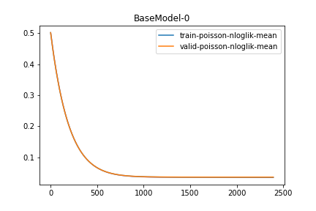
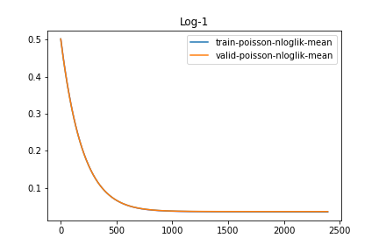
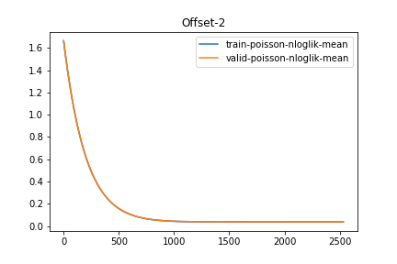
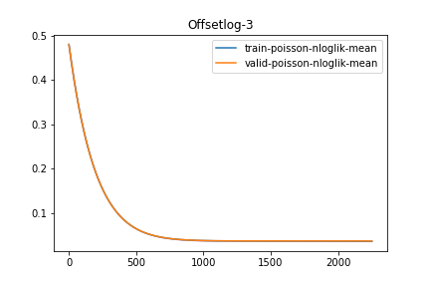
Model | ind | train-0-fold | train-1-fold | train-2-fold | train-3-fold | train-4-fold | train-5-fold | train-6-fold | train-7-fold | train-8-fold | train-9-fold | train-poisson-nloglik-mean | train-poisson-nloglik-std | train-poisson-nloglik-sem | valid-0-fold | valid-1-fold | valid-2-fold | valid-3-fold | valid-4-fold | valid-5-fold | valid-6-fold | valid-7-fold | valid-8-fold | valid-9-fold | valid-poisson-nloglik-mean | valid-poisson-nloglik-std | valid-poisson-nloglik-sem
Offsetlog | 3 | 0.035847 | 0.035868 | 0.035805 | 0.035842 | 0.035798 | 0.035825 | 0.035829 | 0.035815 | 0.035797 | 0.035826 | 0.0358252 | 2.2734213082E-05 | 7.189189415E-06 | 0.036191 | 0.036107 | 0.036571 | 0.03629 | 0.036655 | 0.036519 | 0.036347 | 0.036378 | 0.036591 | 0.036484 | 0.0364133 | 0.00018108257785 | 5.7263339057E-05
Offsetlog | 3 | 0.035847 | 0.035868 | 0.035805 | 0.035842 | 0.035797 | 0.035824 | 0.035828 | 0.035815 | 0.035797 | 0.035825 | 0.0358248 | 2.2851209547E-05 | 7.2261869459E-06 | 0.036191 | 0.036107 | 0.036571 | 0.03629 | 0.036655 | 0.036519 | 0.036348 | 0.036378 | 0.036591 | 0.036484 | 0.0364134 | 0.0001810421682 | 5.7250560405E-05
Offsetlog | 3 | 0.035847 | 0.035867 | 0.035805 | 0.035842 | 0.035797 | 0.035824 | 0.035828 | 0.035815 | 0.035796 | 0.035825 | 0.0358246 | 2.2780108282E-05 | 7.2037027516E-06 | 0.036191 | 0.036107 | 0.036571 | 0.03629 | 0.036655 | 0.036519 | 0.036347 | 0.036378 | 0.036591 | 0.036484 | 0.0364133 | 0.00018108257785 | 5.7263339057E-05
Offsetlog | 3 | 0.035846 | 0.035867 | 0.035804 | 0.035842 | 0.035797 | 0.035824 | 0.035828 | 0.035815 | 0.035796 | 0.035825 | 0.0358244 | 2.2770351093E-05 | 7.2006172575E-06 | 0.036191 | 0.036107 | 0.036571 | 0.03629 | 0.036656 | 0.036519 | 0.036348 | 0.036378 | 0.036591 | 0.036484 | 0.0364135 | 0.00018119066078 | 5.7297517883E-05
Offsetlog | 3 | 0.035846 | 0.035866 | 0.035804 | 0.035842 | 0.035796 | 0.035824 | 0.035828 | 0.035815 | 0.035796 | 0.035824 | 0.0358241 | 2.2698262293E-05 | 7.1778207773E-06 | 0.036191 | 0.036107 | 0.036571 | 0.036289 | 0.036656 | 0.036519 | 0.036348 | 0.036378 | 0.036591 | 0.036484 | 0.0364134 | 0.00018126665441 | 5.7321549177E-05
Offsetlog | 3 | 0.035846 | 0.035866 | 0.035804 | 0.035841 | 0.035796 | 0.035823 | 0.035828 | 0.035814 | 0.035795 | 0.035824 | 0.0358237 | 2.2798879115E-05 | 7.2096386101E-06 | 0.03619 | 0.036107 | 0.036571 | 0.036289 | 0.036656 | 0.036519 | 0.036348 | 0.036378 | 0.036591 | 0.036484 | 0.0364133 | 0.00018140320345 | 5.7364729776E-05
Offsetlog | 3 | 0.035845 | 0.035866 | 0.035804 | 0.035841 | 0.035795 | 0.035823 | 0.035827 | 0.035814 | 0.035795 | 0.035824 | 0.0358234 | 2.2809354806E-05 | 7.2129513146E-06 | 0.03619 | 0.036107 | 0.036571 | 0.036289 | 0.036656 | 0.036519 | 0.036348 | 0.036378 | 0.036591 | 0.036484 | 0.0364133 | 0.00018140320345 | 5.7364729776E-05
Offsetlog | 3 | 0.035845 | 0.035866 | 0.035803 | 0.03584 | 0.035795 | 0.035823 | 0.035827 | 0.035814 | 0.035795 | 0.035824 | 0.0358232 | 2.282201666E-05 | 7.2169553445E-06 | 0.03619 | 0.036107 | 0.036571 | 0.036289 | 0.036656 | 0.036519 | 0.036348 | 0.036378 | 0.036591 | 0.036484 | 0.0364133 | 0.00018140320345 | 5.7364729776E-05
Offsetlog | 3 | 0.035845 | 0.035865 | 0.035803 | 0.03584 | 0.035795 | 0.035823 | 0.035827 | 0.035814 | 0.035794 | 0.035823 | 0.0358229 | 2.2752045085E-05 | 7.1948283896E-06 | 0.03619 | 0.036107 | 0.036571 | 0.036289 | 0.036656 | 0.036519 | 0.036348 | 0.036378 | 0.036591 | 0.036484 | 0.0364133 | 0.00018140320345 | 5.7364729776E-05
Offsetlog | 3 | 0.035845 | 0.035865 | 0.035803 | 0.03584 | 0.035795 | 0.035823 | 0.035826 | 0.035813 | 0.035794 | 0.035823 | 0.0358227 | 2.2779376638E-05 | 7.2034713854E-06 | 0.03619 | 0.036107 | 0.036571 | 0.036289 | 0.036656 | 0.036519 | 0.036348 | 0.036378 | 0.036591 | 0.036484 | 0.0364133 | 0.00018140320345 | 5.7364729776E-05

